charts
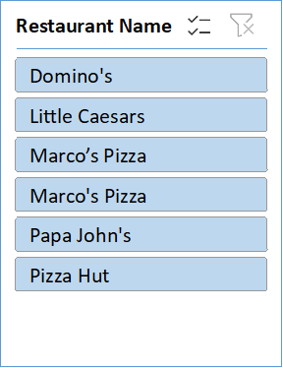
Pizza sales analysis

Orders vs Restaurant
 | Total
Domino's | 6414.9999995
Little Caesars | 5740.0000009
Marco’s Pizza | 80.00000001
Marco's Pizza | 5814.9999994
Papa John's | 5750
Pizza Hut | 5810.0000003
 | Sum of Toppings Count | Count of Pizza Type
Large | 953 | 240
Medium | 1188 | 429
Small | 223 | 132
XL | 1012 | 203
 | Total
January | 296
February | 291
March | 317
April | 305
May | 230
June | 307
July | 169
August | 390
September | 350
October | 252
November | 200
December | 269

 | Sum of Delay (min) | Sum of Delivery Efficiency (min/km)
BBQ Chicken | 972 | 324
Cheese Burst | 3273.8 | 992.35210623
Deep Dish | 93.6 | 30
Gluten-Free | 819.04 | 256.1894772
Margarita | 1036.8 | 360.00000002
Non-Veg | 3797.32 | 1335.423626
Sicilian | 1112.68 | 351.49184152
Stuffed Crust | 458.48 | 112.83908045
Thai Chicken | 492.64 | 165.80654763
Thin Crust | 25.6 | 13.333333334
Veg | 3490.88 | 1263.39633
Vegan | 2120.2 | 1217.7619048
 | Total
Card | 276
Cash | 202
Domino's Cash | 23
Hut Points | 24
UPI | 271
Wallet | 208

